photoImage
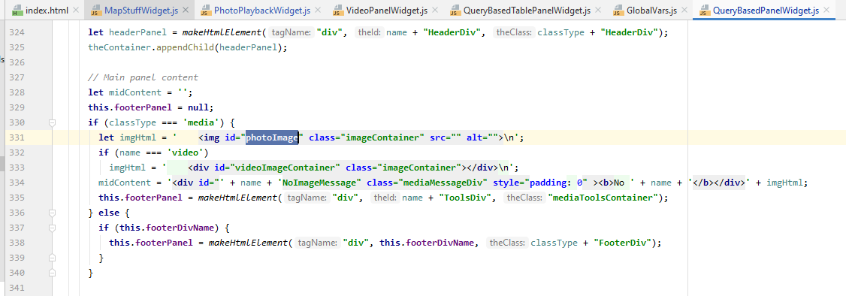
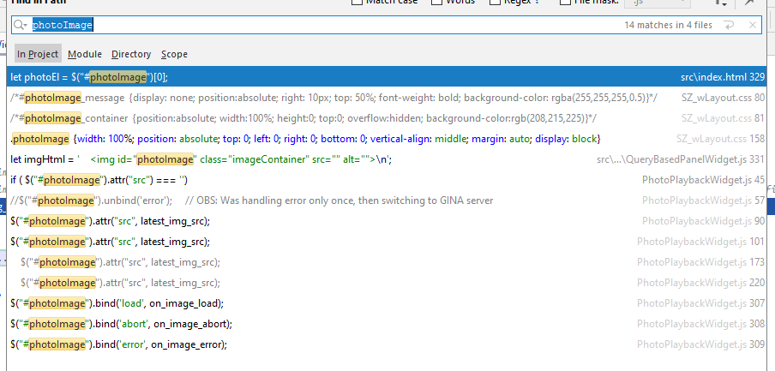

rename photoImage as szPhotoImage and ssPhotoImage?

screen captures
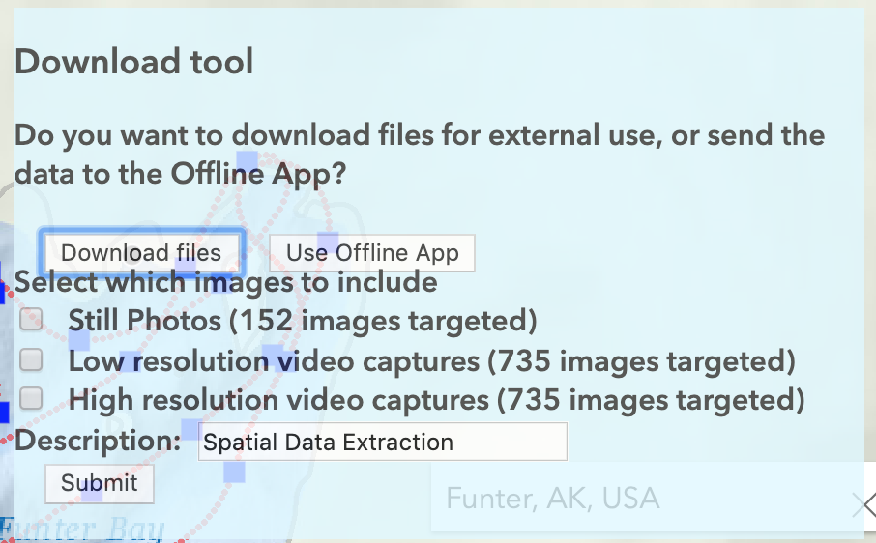

DONE_sync_photos
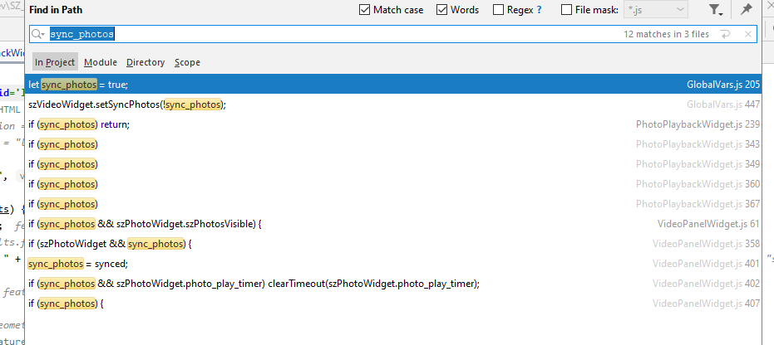

Replace with (?):
szVideoWidget.syncTo = szPhotoWidget
szPhotoWidget.sync_photos = [True/False]

szPhotoWidget.syncFrom = szVideoWidget

